ART
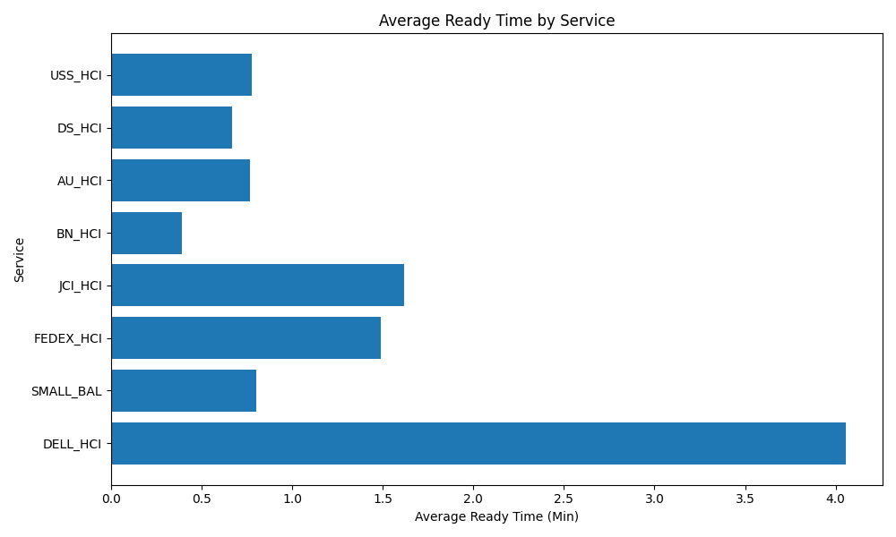
Date | Service | Successful Op Transfer | In Call (Min) | Ready (Min) | Wrapup (Min) | Not Ready (Min) | Average Ready Time (Min)
03-07-2024 | DELL_HCI | 146 | 192.86999512 | 592.20001221 | 638.02001953 | 339.54998779 | 4.0561644672
03-07-2024 | SMALL_BAL | 110 | 111.41999817 | 88.150001526 | 225.8500061 | 72.230003357 | 0.80136365024
03-07-2024 | FEDEX_HCI | 55 | 103.26999664 | 82.029998779 | 111.34999847 | 31.479999542 | 1.4914545233
03-07-2024 | JCI_HCI | 188 | 315.79998779 | 303.97000122 | 382.79998779 | 32.720001221 | 1.6168617086
03-07-2024 | BN_HCI | 675 | 529.04998779 | 263.5 | 1335.3199463 | 542.5300293 | 0.39037037037
03-07-2024 | AU_HCI | 328 | 383.11999512 | 251.44999695 | 417.70001221 | 487.20001221 | 0.76661584435
03-07-2024 | DS_HCI | 868 | 1032.2299805 | 579.13000488 | 1408.7299805 | 1380.6999512 | 0.66720046645
03-07-2024 | USS_HCI | 173 | 568.11999512 | 134.27999878 | 567.5 | 465.07998657 | 0.77618496404

